1. Title Page
Instacart Basket Analysis

Project Name: Instacart Basket Analysis
Date: 09/23/2021
Analyst Name: Nora Lienenbecker

Contents:
Population Flow
Consistency checks
Wrangling steps
Column derivations
Visualizations
Recommendations

Data Source:
“The Instacart Online Grocery Shopping Dataset 2017”, Accessed from https://www.instacart.com/datasets/grocery-shopping-2017 on 8/30/2021.

Objective You’re an analyst for an existing company, Instacart, an online grocery store that operates through an app. Instacart already has very good sales, but they want to uncover more information about their sales patterns. Your task is to perform an initial data and exploratory analysis of some of their data in order to derive insights and suggest strategies for better segmentation based on the provided criteria.

Context The Instacart stakeholders are most interested in the variety of customers in their database along with their purchasing behaviors. They assume they can't target everyone using the same methods, and they’re considering a targeted marketing strategy. They want to target different customers with applicable marketing campaigns to see whether they have an effect on the sale of their products. Your analysis will inform what this strategy might look like to ensure Instacart targets the right customer profiles with the appropriate products.

2. Population Flow
Title page

Population flow

Exclusion flag
Condition: max_order < 5
Obervations to be removed: 1440295
Final total count of order_products_all: 30964564

Orders_products_combined
Orders_products_merged
Orders_products_all

Total: 32404859
Total: 32434489
Total: 32404859

1.) The grey boxes in the first row of the population flow represent the original data sets as they were when you downloaded them. In the Total fields you need to add the count of the rows when you imported the data set into Jupyter.
2.) The second row of boxes (coloured) represents the data sets after you manipulated them, e.g., removed missing values and duplicates. In the Total fields you need to add the count of the rows after conducting these operations. This offers a visual oveview of how the data flows throughout the data consistency checks.
3.) The third row, where also the arrows are coloured, represents the merges you performed between the datasets. In the Total fields you need to add the count of the rows in the merged datasets, so that you end up with the final dataset (in the red box). Keep in mind the final dataset should be without exclusions (based on the exclusion flag).

3. Consistency checks
 |  |  |  | Title page
Consistency checks

Dataset | Missing values | Missing values treatment | Duplicates
orders original | 206209 (days since prior order column) | Created a flag to indicate whether it's the customer's first order | None
products original | 16 (product name column) | Deleted | 5
orders_products_prior | None | - | None
customers original | None | - | None

4. Wrangling steps
 |  |  |  |  | Title page
Wrangling steps

Data set | Columns dropped | Columns renamed | Columns' type changed | Comment/Reason
Orders original |  | order_dow -> orders_day_of_week |  | Changed to more comprehensive name
Orders original |  |  | order_id changed to string | No matematical operations should be performed on the user id
Orders original | eval_set |  |  | Not needed in analysis
Orders original |  |  | user_id changed to string | No matematical operations should be performed on the user id
Customers original |  |  | First Name changed from mixed-type to string | Eliminate mixed-type columns
Customers original |  | Surnam -> Surname |  | Typo
Orders_products_all | First_name |  |  | Data can identify person
Orders_products_all | Last_name |  |  | Data can identify person

5. Column derivations
 |  |  |  | Title page

Column derivations and aggregations

In this tab you should add tables below that the frequences of flags/label variables that you produced after deriving them. NB: don't do this for continuous variables, only for flags.
Dataset | New column | Column/s it was derived from | Conditions
orders_products_combined | price_range_loc | prices | high-range product = prices > 15; mid-range product = prices <= 15 and prices > 5; low-range product = prices <=5
orders_products_combined | busiest day | orders_day_of_week | Saturday = Busiest day; Tuesday = Least busy day; other days = regularly busy days
orders_products_combined | time_period | order_hour_of_day | divided hours into 6 time periods: 10am - 13pm, 14pm - 17pm, 18pm - 21pm, 22pm - 1am, 2am - 5am, 6am - 9 am
orders_products_combined | busiest_period_of_day | time_period | 10am - 13 am: Most orders; 2am - 5 am: Fewest orders; remaining time periods: Average orders
orders_products_combined | max_order | order_number | Group order_number column by user_id and calculate the max orders per user
orders_products_combined | loyalty_flag | max_order | Loyal customer = max_order > 40; Regular customer = max_oder <= 40 and max order > 10; New customer = max_order <= 10
orders_products_combined | average_price | prices | Group prices by user_id and calculate the mean price per user
orders_products_combined | spender_flag | average_price | High Spender = average price >= 10; Low Spender = average price < 10
orders_products_combined | median_days_since_prior_order | days_since_prior_order | Aggregate days_since_prior_order by user_id and calculate the median
orders_products_all | Region | STATE | list
orders_products_all | exclusion_flag | max_order | low activity customer = max_order < 5; regular customer = max_order >= 5
orders_products_all | age_brackets | Age | Age brackets: 18-20, 21-30, 31-40, 41-50, 51-60, 61-70, 71-80, 80+
orders_products_all | parental_status | n_dependants | n_dependants = 0 -> not parent; n_dependants >= 1 -> parent
orders_products_all | income_categories | income | Income categories: 25.000-50.000 50.000-75.000 75.000-100.000 100.000-125.000 125.000-150.000 150.000+
orders_products_all | department | department_id | Corresponding names for each department_id found in departments data set
orders_products_all | weekday | orders_day_of_week | Created a column with names of weekdays, the weekdays corresponding to each number were taken from the project brief

6. Visualizations
 |  |  |  |  |  | Title page

Visualizations

Question
Key Question 1 |  | What are the busiest days of the week and hours of the day?
Key Question 2 |  | Are there particular times of the day when people spend the most money?
Key Question 3 |  | Marketing and sales want to use simpler price range groupings.
Key Question 4 |  | Are there types of products that are more popular than others? (Which department has the highest number of product orders?)
Key Question 5 |  | The marketing and sales teams are particularly interested in the different types of customers in their system and how their ordering behaviors differ
5a |  | a. What's the distribution among users in regards to their brand loyalty?
5b |  | b. Are there differences in ordering habits based on a customer’s loyalty status?
5c |  | c. Are there differences in ordering habits based on a customer’s region?
5d |  | d. Is there a connection between age and family status in terms of ordering habits?
5e |  | e. What different classifications does the demographic information suggest? Age? Income? Certain types of goods? Family status?
5f |  | f. What differences can you find in ordering habits of different customer profiles?

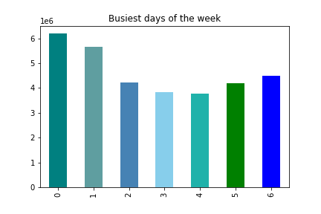
Answer 1
What are the busiest days of the week and hours of the day?

The busiest day of the week is Saturday. The least busy day of the week is Wednesday!

Figure 1. Cumulative orders per weekday (in millions)
0 = Saturday, 1 = Sunday, 2 = Monday, 3 = Tuesday, 4 = Wednesday, 5 = Thursday, 6 = Friday
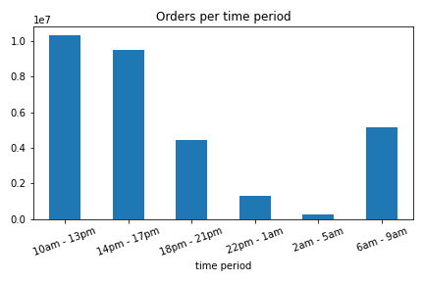

Most orders are placed between 10 am and 1 pm. Between 2 am and 5 am, the least orders are placed.

Figure 2. Cumulative orders per time period (in millions)

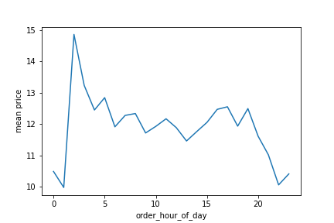
Answer 2
Are there particular times of the day when people spend the most money?

People buy the most expensive products at 2 am. They buy the least expensive products at 1 am.

Figure 3. Mean price in dollars per hour of the day.

Answer 3
Marketing and sales want to use simpler price range groupings.

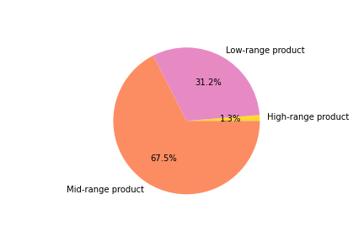
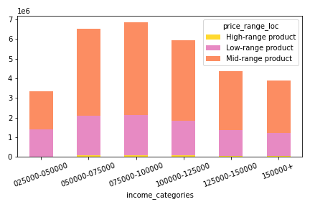
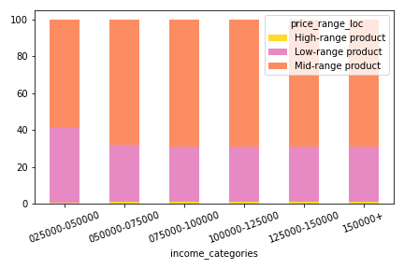
Products were grouped into low-range, mid-range and high-range. 77% of products on Istacart are mid-range products. Customers order mostly mid-range and low-range products.
Most orders are placed by customers who earn between 50.000 and 100.000 dollars a year.
There is no significant difference in the proportion of low-, mid- and high-range product orders between different income categories.

Figure 4. Distribution of low-range, mid-range and high-range products. |  |  |  | Figure 5. Cumulative orders per income category by price range. |  |  | Figure 6. 100% stacked bar chart. Orders per income categroy by price range in percent.

Answer 4
Are there types of products that are more popular than others? (Which department has the highest number of product orders?)
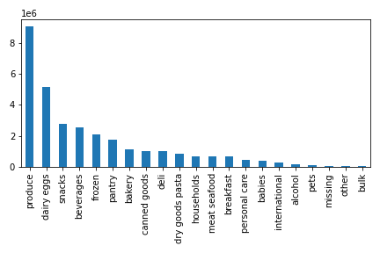
The departments with the most product orders are the produce, dairy eggs, snacks and beaverages department!

Figure 7. Cumulative orders per department (in millions).

Question 5

5a) | What's the distribution among users in regards to their brand loyalty?
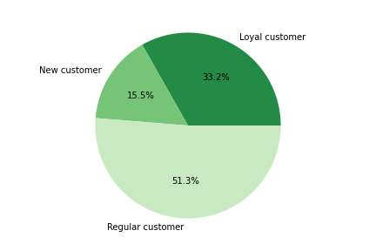

Figure 8. Distribution of customers in regards to brand loyalty.

5b) | Are there differences in ordering habits based on a customer’s loyalty status?
There are no significant differences in customers' ordering habits based on their loyalty status.
In all departments, the highest % of orders comes from regular customers, followed by loyal customers.
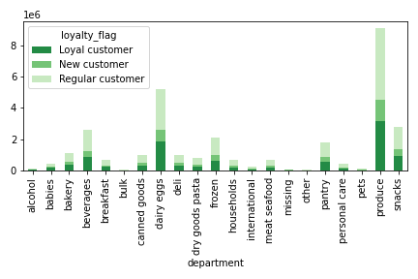
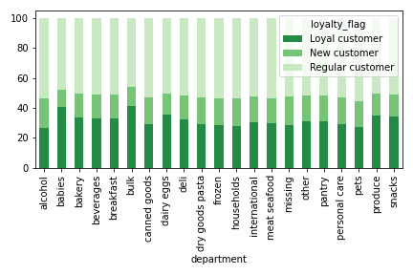

Figure 9. Cumulative orders per department by customer loyalty status (in millions).
 |  |  |  |  | Figure 10. 100% stacked bar chart. Orders per department by customer loyalty status in percent.

5c) | Are there differences in ordering habits based on a customer’s region?

 | Total orders from each department by region
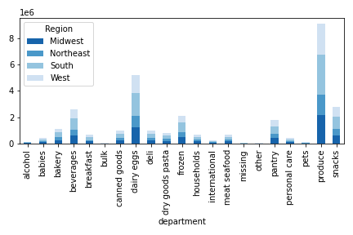
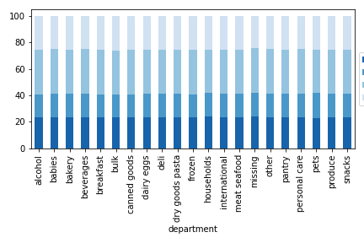
There is no significant difference between ordering habits between regions.

Figure 11. Cumulative orders per department by customer region (in millions). |  |  |  | Figure 12. 100% stacked bar chart. Orders per department by region in percent.

5d)
Is there a connection between age and family status in terms of ordering habits?

The variables family status and age do not impact ordering habits.

Figure 13. Cumulative orders per department by family status (in millions). |  |  |  | Figure 14. 100% stacked bar chart. Orders per department by family status in percent.

Figure 15. Cumulative orders per department by age groups (in millions). |  |  |  | Figure 16. 100% stacked bar chart. Orders per department by family status in percent.

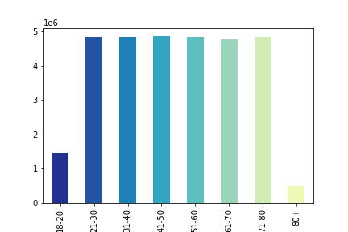
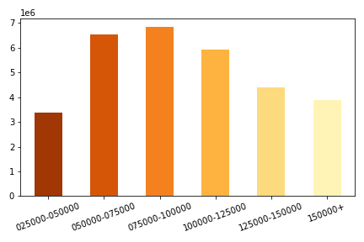
5e)
What different classifications does the demographic information suggest? Age? Income? Certain types of goods? Family status?
1. Age Brackets |  |  | 2. Income Categories

Figure 17. Cumulative orders per age group (in millions). |  |  | Figure 18. Cumulative orders per income category (in millions).
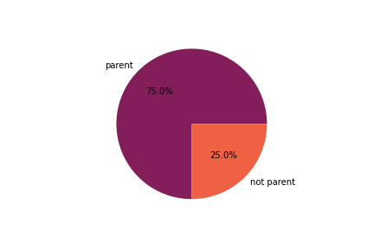
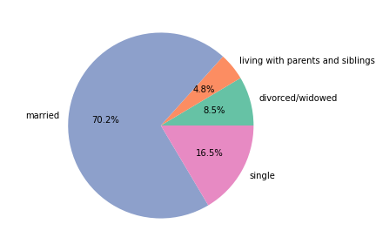
3. Family Status |  |  | 4. Parental Status

The majority of customers are married and have children.

Figure 19. Distribution of customers with regards to family status. |  |  |  | Figure 20. Distribution of customers with regards to their parental status.

5. US Regions
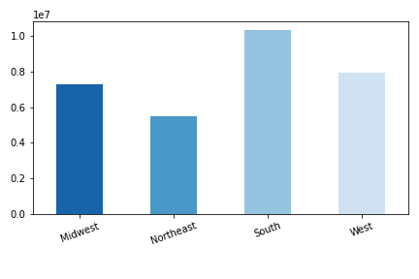

Most orders come from customers in the South.

Figure 21. Cumulative orders by region (in millions).

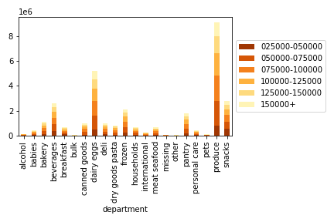
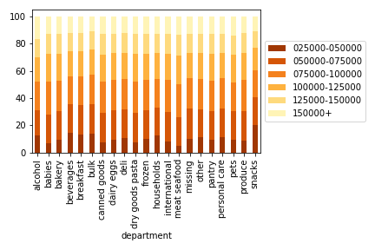
5 f)
What differences can you find in ordering habits of different customer profiles?

The proportion of orders from low income customers is slightly higher for snacks.

Figure 22. Cumulative orders per department by income categories (in millions). |  |  |  | Figure 23. 100% stacked bar chart. Orders per department by income categories in percent.

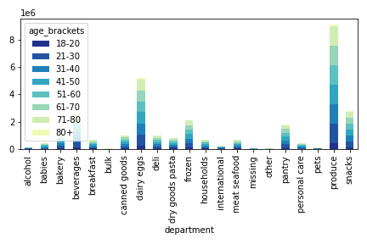
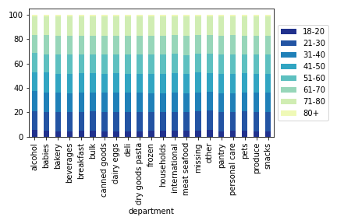
 | Age

There is no difference in ordering habits between customers in different age groups.

Figure 24. Cumulative orders per department by age groups (in millions). |  |  |  |  | Figure 25. 100% stacked bar chart. Orders per department by age groups in percent.

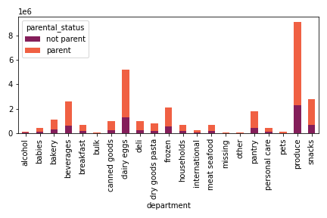
 | Parental status
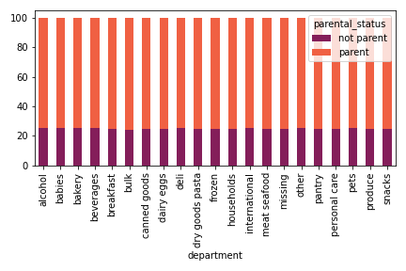

There is no difference in ordering habits between customers who have children vs. customers who do not have children.

Figure 26. Cumulative orders per department by parental status (in millions). |  |  |  | Figure 27. 100% stacked bar chart. Orders per department by parental status in percent.

 | Family status
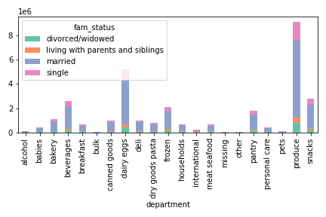
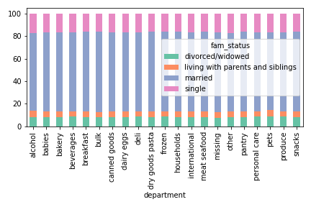

There is no difference in ordering habits between customers with different family statuses.

Figure 28. Cumulative orders per department by family status (in millions). |  |  |  | Figure 29. 100% stacked bar chart. Orders per department by family status in percent.

7. Recommendations
 |  |  |  |  |  | Title page

Recommendations

In this tab you should include any recommendations you would made to Instcart in terms of their marketing strategy based on the questions posed in the brief. Every key question has been covered in the Tasks of the Exercises - here you need to add an item - a visualisation or table/crosstable that is showing the answer in the data, acompanied by a comment from you. Please, list the questions below and add the answer underneath.

Question
Key Question 1 |  | What are the busiest days of the week and hours of the day?
Key Question 2 |  | Are there particular times of the day when people spend the most money?
Key Question 3 |  | Marketing and sales want to use simpler price range groupings.
Key Question 4 |  | Are there types of products that are more popular than others? (Which department has the highest number of product orders?)
Key Question 5 |  | The marketing and sales teams are particularly interested in the different types of customers in their system and how their ordering behaviors differ
5a |  | a. What's the distribution among users in regards to their brand loyalty?
5b |  | b. Are there differences in ordering habits based on a customer’s loyalty status?
5c |  | c. Are there differences in ordering habits based on a customer’s region?
5d |  | d. Is there a connection between age and family status in terms of ordering habits?
5e |  | e. What different classifications does the demographic information suggest? Age? Income? Certain types of goods? Family status?
5f |  | f. What differences can you find in ordering habits of different customer profiles?

Answer 1
What are the busiest days of the week and hours of the day?
The busiest day of the week is Saturday. The least busy day of the week is Wednesday!

RECOMMENDATIONS:
1. Staffing
Instacart needs to account for differences in the amount of orders per weekday in their staffing plan, e.g. they need to make sure to have the enough staff available on Saturdays and Sundays.
2. Ads
Instacart should focus advertising on busy days.

Figure 1. Cumulative orders per weekday (in millions)
0 = Saturday, 1 = Sunday, 2 = Monday, 3 = Tuesday, 4 = Wednesday, 5 = Thursday, 6 = Friday
Most orders are placed between 10 am and 1 pm. Between 2 am and 5 am, the least orders are placed.

RECOMMENDATIONS:
1. Staffing
Instacart needs to make sure to have enough staff available at the peak ordering times (10 am - 13 pm and 14 pm - 17 pm). Conversely, they do not need to have a lot of staff available from 22 pm to 1 am and from 2 am to 5 am.
2. Ads
Instacart should make sure to focus advertising on hours where a lot of customers are using the app.

Figure 2. Cumulative orders per time period (in millions)

Answer 2
Are there particular times of the day when people spend the most money?
People buy the most expensive products at 2 am. They buy the least expensive products at 1 am.

RECOMMENDATION: Customers are more likely to make expensive purchases at 2 am. Instacart could increase revenue by recommending more expensive products to customers around this time.
Analyzing more in detail which products are ordered at 2 am can help Instacart to market relevant products (e.g. maybe there are more alcohol orders at night).

Figure 3. Mean price in dollars per hour of the day.

Products were grouped into low-range, mid-range and high-range. 77% of products on Istacart are mid-range products. Customers order mostly mid-range and low-range products.
There is no significant difference in the proportion of low-, mid- and high-range product orders between different income categories.
Answer 3
Marketing and sales want to use simpler price range groupings.

RECOMMENDATION:
Insacart should consider marketing low-range products to people with a low income and high-range products to people with a high income to increase sales!

Figure 4. Distribution of low-range, mid-range and high-range products. |  |  |  | Figure 5. Cumulative orders per income category by price range. |  |  | Figure 6. 100% stacked bar chart. Orders per income categroy by price range in percent.

Answer 4
Are there types of products that are more popular than others? (Which department has the highest number of product orders?)

The departments with the most product orders are the produce, dairy eggs, snacks and beaverages department!

RECOMMENDATION:
Instacart should focus their product recommendations on products from popular departments.
A more in-depth analysis could help to determine whether there are certain products that are not worth keeping in stock because they are rarely ordered.

Figure 7. Cumulative orders per department (in millions).

Question 5

5a) | What's the distribution among users in regards to their brand loyalty?

RECOMMENDATION:
Customers should be rewarded for their loyalty. For instance, customers who return to the app regularly could be rewarded vouchers to redeem on the app. As an alternative, there could be a point system where customers win a price once they collected a certain number of points.

Figure 8. Distribution of customers in regards to brand loyalty.

5b) | Are there differences in ordering habits based on a customer’s loyalty status?
There are no significant differences in customers' ordering habits based on their loyalty status.
In all departments, the highest % of orders comes from regular customers, followed by loyal customers.

Figure 9. Cumulative orders per department by customer loyalty status (in millions).
 |  |  |  |  | Figure 10. 100% stacked bar chart. Orders per department by customer loyalty status in percent.

5c) | Are there differences in ordering habits based on a customer’s region?

 | Total orders from each department by region
 |  |  |  |  |  |  | Distribution of high spenders and low spenders

 |  |  |  |  |  |  | Region | High Spender | Low Spender | Total | % High Spenders | % Low Spenders
 |  |  |  |  |  |  | Midwest | 155946 | 7441379 | 7597325 | 2.05% | 97.95%
 |  |  |  |  |  |  | Northeast | 108218 | 5614518 | 5722736 | 1.89% | 98.11%
 |  |  |  |  |  |  | South | 209637 | 10582248 | 10791885 | 1.94% | 98.06%
 |  |  |  |  |  |  | West | 160316 | 8132597 | 8292913 | 1.93% | 98.07%
There is no significant difference between ordering habits between regions.

Figure 11. Cumulative orders per department by customer region (in millions). |  |  |  | Figure 12. 100% stacked bar chart. Orders per department by region in percent.

5d)
Is there a connection between age and family status in terms of ordering habits?

The variables family status and age do not impact ordering habits.

Figure 13. Cumulative orders per department by family status (in millions). |  |  |  | Figure 14. 100% stacked bar chart. Orders per department by family status in percent.

Figure 15. Cumulative orders per department by age groups (in millions). |  |  |  | Figure 16. 100% stacked bar chart. Orders per department by family status in percent.

5e) What different classifications does the demographic information suggest? Age? Income? Certain types of goods? Family status?

1. Age Brackets |  |  | 2. Income Categories

RECOMMENDATION:
Age groups and income categories can help to improve product recommendations and targeted apps.

Figure 17. Cumulative orders per age group (in millions). |  |  | Figure 18. Cumulative orders per income category (in millions).

3. Family Status |  |  | 4. Parental Status

RECOMMENDATIONS:
Most customers are married with children.
There are very few orders from the babies department (Figure 10) . Instacart could increase sales in this department by marketing products from the baby department to customers who are parents.
The customers' family status can help to improve product recommendations and targeted apps.

Figure 19. Distribution of customers with regards to family status. |  |  |  | Figure 20. Distribution of customers with regards to their parental status.

5. US Regions

Most orders are placed by customers who live in the South. However, to interpret this result we also should take into account how many people live in each region.

RECOMMENDATION:
Instacart should analyze how popular the app is accross regions by determining the amount of users relative to the number of inhabitants.
This result could be helpful to analyze why Instacart is more popular in some regions than others, which could inform further business decisions.

Figure 21. Cumulative orders by region (in millions).
There is no significant difference between customer profles in terms of which department they order from.
There is no significant difference between customer profiles in terms of usage frequency (mean days_since_prior_order).
There is a big difference in mean expenditure between the income categories. Customers in the lowest income category have the lowest mean expenditure, they spend 7 dollars per product on average. Customers in the highest income category jave the highest mean expenditure, they spend 33 dollars per product on average.
Age groups also affect spending habits. Customers above 80 have the lowest mean expenditure (10 dollars), while customers between 21 and 30 have the highest mean expenditure (13 dollars).
In terms of family status, singles spend the most money.
5 f) What differences can you find in ordering habits of different customer profiles?
 |  |  |  |  |  |  |  |  | mean expenditure
 |  |  |  |  |  |  |  | income_categories
 |  |  |  |  |  |  |  | 025000-050000 | 6.7073474508
 |  |  |  |  |  |  |  | 050000-075000 | 7.8334016332
 |  |  |  |  |  |  |  | 075000-100000 | 9.024778369
 |  |  |  |  |  |  |  | 100000-125000 | 9.8547411833
 |  |  |  |  |  |  |  | 125000-150000 | 11.042221553
 |  |  |  |  |  |  |  | 150000+ | 32.6200804

 |  |  |  |  |  |  |  |  | mean days_since_prior_order
 |  |  |  |  |  |  |  | income_categories
 |  |  |  |  |  |  |  | 025000-050000 | 11.17580774
 |  |  |  |  |  |  |  | 050000-075000 | 10.760574217
 |  |  |  |  |  |  |  | 075000-100000 | 10.763576292
 |  |  |  |  |  |  |  | 100000-125000 | 10.789977674
 |  |  |  |  |  |  |  | 125000-150000 | 10.8181274
 |  |  |  |  |  |  |  | 150000+ | 10.684293439

Figure 22. Cumulative orders per department by income categories (in millions). |  |  |  | Figure 23. 100% stacked bar chart. Orders per department by income categories in percent.

RECOMMENDATIONS:
1. Products from the babies department should be marketed more to parents to increase sales.
2. Products from the household department should be marketed more to customers who are married.
3. There is a big difference between spending habits between people with different customer profiles. Income categories have the biggest effect on spending habits. This should be considered when recommending products to customers, e.g., expensive products should be recommnded to people in high income categories. Other variables, like age, also need to be taken into account since they also affect spending habits.
 | Age

 |  |  |  |  |  |  |  |  | mean expenditure |  |  | mean days_since_prior_order
 |  |  |  |  |  |  |  | age_brackets |  |  | age_brackets
 |  |  |  |  |  |  |  | 18-20 | 10.509134422 |  | 18-20 | 10.879633741
 |  |  |  |  |  |  |  | 21-30 | 12.554779945 |  | 21-30 | 10.826524145
 |  |  |  |  |  |  |  | 31-40 | 12.08351197 |  | 31-40 | 10.779940168
 |  |  |  |  |  |  |  | 41-50 | 11.919679162 |  | 41-50 | 10.797317451
 |  |  |  |  |  |  |  | 51-60 | 11.869024168 |  | 51-60 | 10.855219392
 |  |  |  |  |  |  |  | 61-70 | 11.844251832 |  | 61-70 | 10.776991812
 |  |  |  |  |  |  |  | 71-80 | 11.971842031 |  | 71-80 | 10.801834013
 |  |  |  |  |  |  |  | 80+ | 9.7783330966 |  | 80+ | 10.839041074

Figure 24. Cumulative orders per department by age groups (in millions). |  |  |  |  | Figure 25. 100% stacked bar chart. Orders per department by age groups in percent.

 | Parental status

 |  |  |  |  |  |  |  |  | mean expenditure |  |  | mean days_since_prior_order
 |  |  |  |  |  |  |  | parental_status |  |  | parental_status
 |  |  |  |  |  |  |  | not parent | 12.102657164 |  | not parent | 10.791950511
 |  |  |  |  |  |  |  | parent | 11.877156751 |  | parent | 10.816415704

Figure 26. Cumulative orders per department by parental status (in millions). |  |  |  | Figure 27. 100% stacked bar chart. Orders per department by parental status in percent.

 | Family status

 |  |  |  |  |  |  |  |  | mean expenditure |  |  | mean days_since_prior_order
 |  |  |  |  |  |  |  | fam_status |  |  | fam_status
 |  |  |  |  |  |  |  | divorced/widowed | 11.532740691 |  | divorced/widowed | 10.75032806
 |  |  |  |  |  |  |  | living with parents and siblings | 10.890167448 |  | living with parents and siblings | 10.750994545
 |  |  |  |  |  |  |  | married | 11.944390026 |  | married | 10.820875476
 |  |  |  |  |  |  |  | single | 12.398586137 |  | single | 10.813570977

Figure 28. Cumulative orders per department by family status (in millions). |  |  |  | Figure 29. 100% stacked bar chart. Orders per department by family status in percent.

